1. Title Page
Annual Analysis for 2025

Project Name: Instacart Grocery Basket Analysis
Date: 06/02/2025
Analyst Name: Shrabanti Baidya

Contents:
Population Flow
Consistency checks
Wrangling steps
Column derivations
Visualizations
Recommendations

Data Sourse: " The Instacart Online Grocery Shopping Dataset 2017", Accessed from www.instacart.com/datasets/grocery shopping-2017via Kaggle on 15.12.2024.

2. Population Flow
Title page

Population flow

Exclusion flag
Condition: max_order < 5
Obervations to be removed: 27,759.705
Final total count of order_products_all: 30959687

Orders_products_merged
Orders_products_merged
Orders_products_customers

Total:32404859
Total:32434489
Total: 32404859

1.) The grey boxes in the first row of the population flow represent the original data sets as they were when you downloaded them. In the Total fields you need to add the count of the rows when you imported the data set into Jupyter.
2.) The second row of boxes (coloured) represents the data sets after you manipulated them, e.g., removed missing values and duplicates. In the Total fields you need to add the count of the rows after conducting these operations. This offers a visual oveview of how the data flows throughout the data consistency checks.
3.) The third row, where also the arrows are coloured, represents the merges you performed between the datasets. In the Total fields you need to add the count of the rows in the merged datasets, so that you end up with the final dataset (in the red box). Keep in mind the final dataset should be without exclusions (based on the exclusion flag).

3. Consistency checks
 |  |  |  | Title page
Consistency checks

Dataset | Missing values | Missing values treatment | Duplicates
orders | days_since_prior_order' (206209) | Added a new column 'first_order' as flag variable | No Duplicate found
products | product_name'(16) | Missing values removed | Dropped 5 duplicate rows
orders_products_prior | No missing values | N/A | No Duplicate found
customers | First Name | removed the column | No Duplicate found
order_products_customers | prices' filter values:14900.0 & 99999.0(4877) | Changed to Nan | No Duplicate found

4. Wrangling steps
 |  |  |  | Title page
Wrangling steps

Columns dropped | Columns renamed | Columns' type changed | Comment/Reason
eval_set' |  |  | Irrelevent to the analysis
 | order_dow' to 'order_day_of_the _week |  | For easy readiness
 |  | 'order_id' | Changed from numerical to string
 |  | user_id' | Changed from numerical to string

 | n_dependants' to 'no_of_dependants' | user_id' | Changed from numerical to string
 | STATE' to 'State' | Age' | Changed from numerical to string
 | Surnam' to 'Customer name' | no_of_dependants' | Changed from numerical to string
 |  | income' | Changed from numerical to string
First Name
_merge'

5. Column derivations
 |  |  |  | Title page

Column derivations and aggregations

In this tab you should add tables below that the frequences of flags/label variables that you produced after deriving them. NB: don't do this for continuous variables, only for flags.
Dataset | New column | Column/s it was derived from | Conditions
orders | first_order | days_since_prior_order | NaN

 | price_range | price | ['prices']>15/ High-range product ['prices']<=15 &>5/ Mid-range product ['prices']<=5/Low-range product
ords_prods_merge | busiest_day' | order_day_of_week | ['ordeer_day_of_week']==0/busiest day ['order_day_of_week']==4/Least busy day ELSE/ regular busy
 | busiest_day | order_day_of_week | ['order_day_of_week']==0 or 1 /busiest day ['order_day_of_week']==3 or 4/ least busy ELSE/ regularly busy
 | busiest_period_of_day | order_hour_of_day | ['order_hour_of_day']==10 or 11/ most orders ['order_hour_of_day']==3 or 4/ fewest orders ELSE/ average orders
ords_prods_merge | loyalty_flag | max_order | ['max_order']>40/ loyal customer ['max_order']<=40 & >10/regular customer ['max_order']<=5/ new customer
 | mean_spend | prices | Average order price per user
 | spender_flag | mean_spend | ['mean_spend']>10/loe spender ['mean_spend']>=10/high spender
 | customer_frequency | days_since_prior_order | ['median_order']>20/ non frequent customer ['median_order']>10&<20/ regular customer ['median_order']<=10/ frequent customer
ords_prods_customer_merge | region | state | State defined into regions according to this List of regions of the United States
ords_prods_customer_merge | activity_flag | max_order | ['max_order']<5/ low activity customer ['max_order']>=5/ high activity customer
low_activity_excluded | income_group | income | ['income']>150000/ high income ['income']>=55000 &< 150000/ middle income ['income']<55000/ low income
low_activity_excluded | dependants_flag | n_dependents | ['n_dependents']==0/no dependants ['n_dependants']>=17 has dependants
low_activity_excluded | age_group | age | ['age']>64/ senior ['age']<=64/middle age ['age']>25 &<=44/adult ['age']<=25/ young adult

first_order |  | price_range
False 30328763 |  | Mid-range product 673183
True 2076096 |  | Low-range product 314392
Name: count, dtype: int64 |  | High range 12425
 |  | Name: count, dtype: int64

busiest_day |  | busiest_days
Regularly busy 22416875 |  | Regularly busy 12916111
Busiest day 6204182 |  | Busiest days 11864412
Least busy 3783802 |  | Slowest days 7624336
Name: count, dtype: int64 |  | Name: count, dtype: int64

busiest_period_of_day |  | loyalty_flag
Average orders 26802436 |  | Regular customer 15876776
Most Orders 5497900 |  | Loyal customer 10284093
Fewest orders 104523 |  | New customer 6243990
Name: count, dtype: int64 |  | Name: count, dtype: int64

spending_flag |  | customer_frequency
Low spender 31770614 |  | Frequent customer 21559853
High spender 634245 |  | Regular customer 7208564
Name: count, dtype: int64 |  | Non-frequent customer 3636437
 |  | Name: count, dtype: int64

activity_flag |  | income_group
high-activity customer 30964564 |  | middle-income 22617642
low-activity customer 1440295 |  | low-income 4452388
Name: count, dtype: int64 |  | high-income 3894534
 |  | Name: count, dtype: int64

age_group |  | dependants_flag
middle-aged 9690051 |  | has dependants 23224883
adult 9214451 |  | no dependants 7739681
senior 8195544 |  | Name: count, dtype: int64
young adult 3864518
Name: count, dtype: int64

6. Visualizations
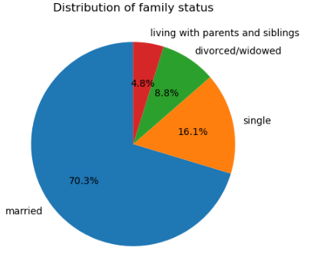
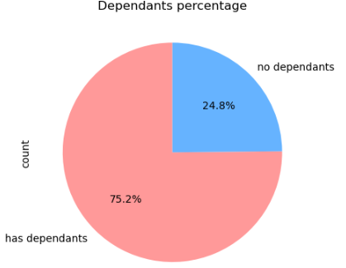
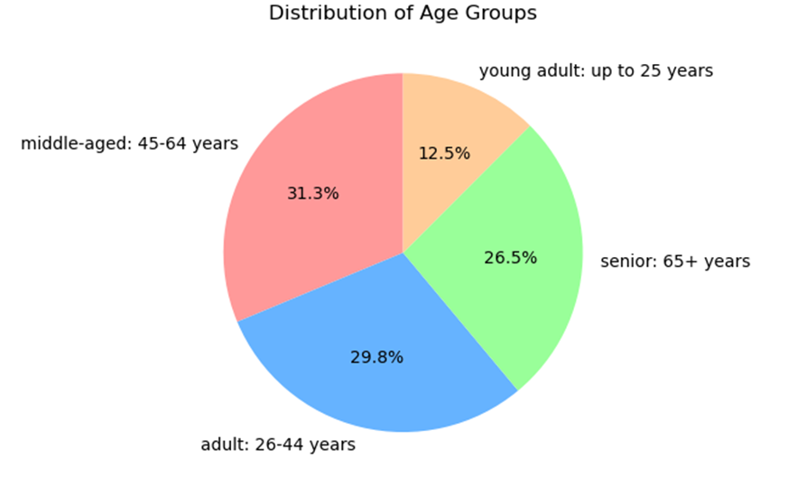
 | Title page

Visualisations

Question
From the Sales Team: What are the busiest days of the week and hours of the day?

Commentary
Saturday and Sunday are the busiest day of the week. Tuesday and Wednesday are the least bust days of the week.
Most orders are between 9am and 4pm with a peak at 10am to 11am

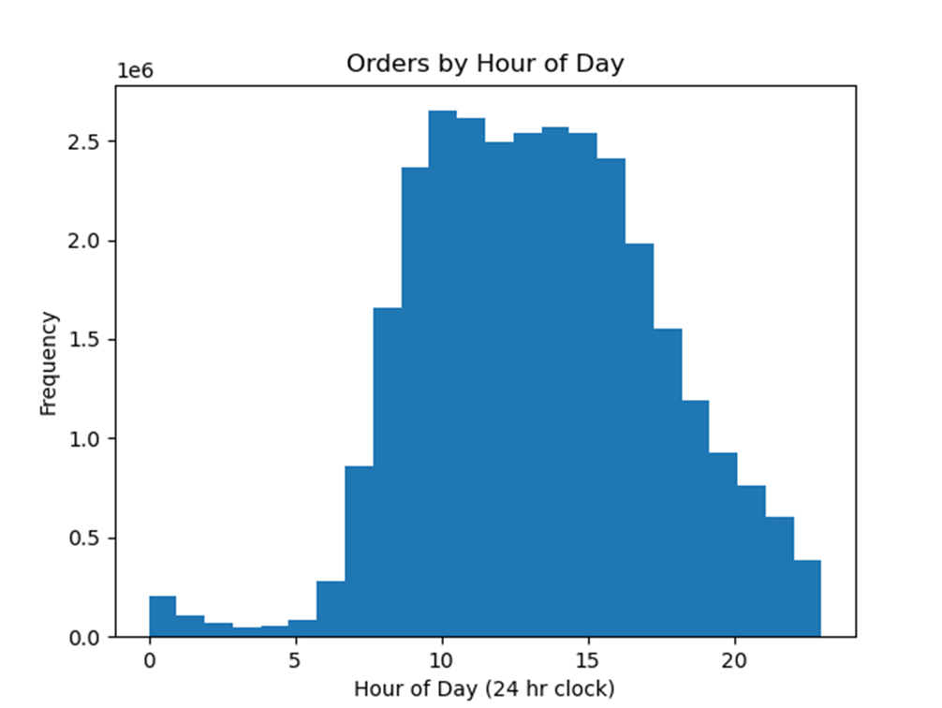


Question
From the Sales Team: Are there particular times of day when people spend the most money?

Commentary
Sales are higher in the morning, but it should be noted that this is a small variation.
Additionally, sales are higher on the weekends

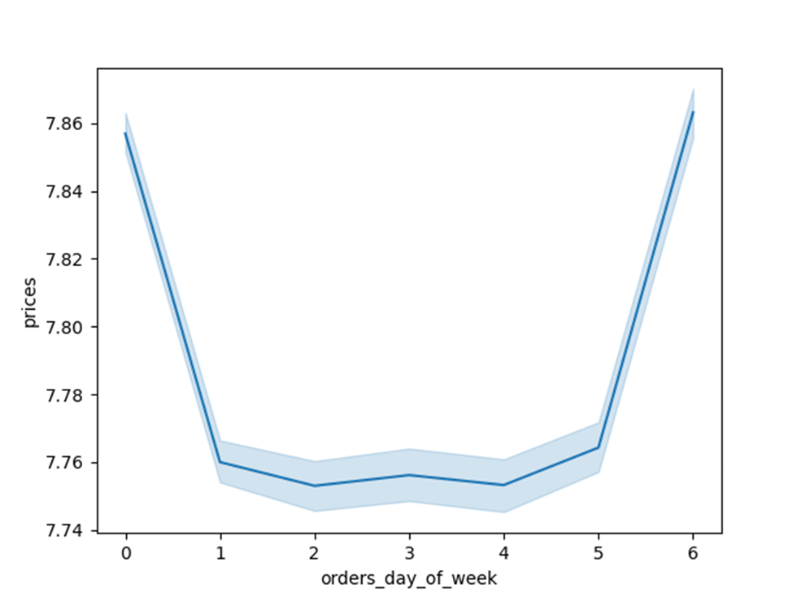
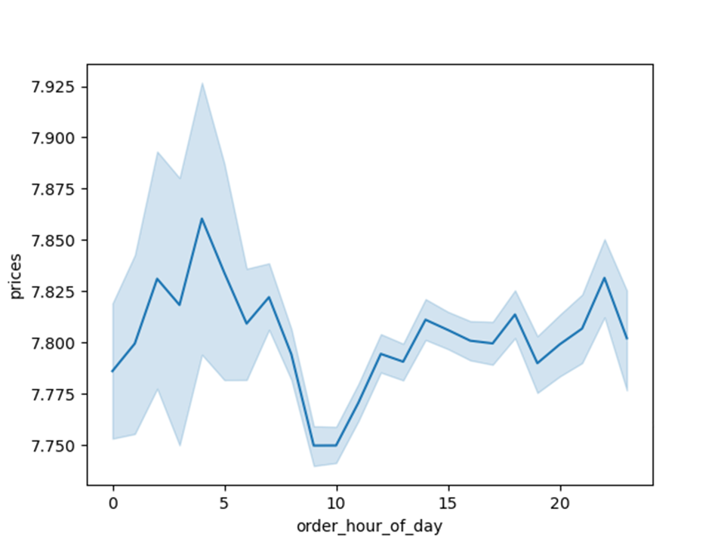

Question
Marketing and Sales Team: Are there certain products that are more popular than others?

Commentary
Produce, Dairy/eggs, snacks, and beverages are the biggest sellers by department
This is both in an age group and a regional breakdown as well.

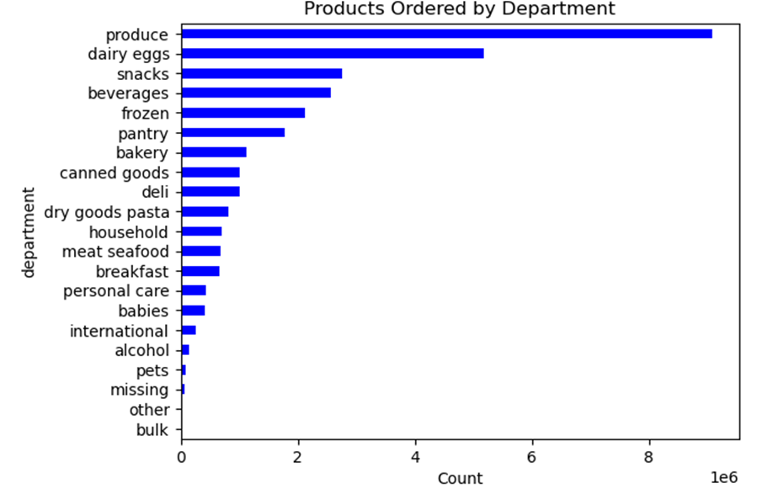

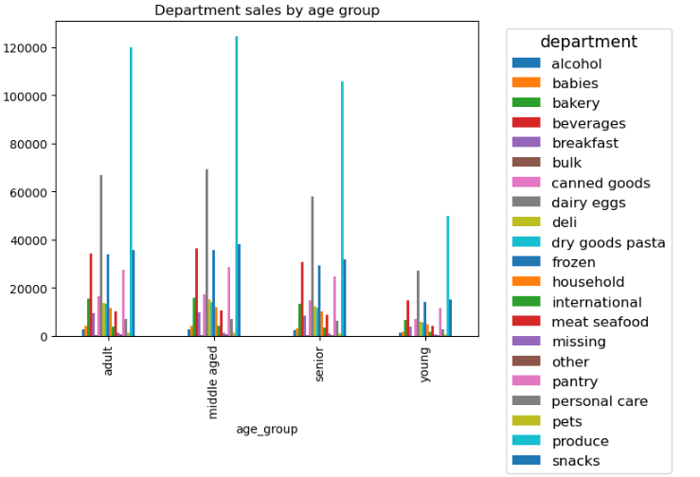

Question
Marketing and Sales Team: What is the distribution among users as to how often they return to Instacart?

Commentary
Most customers are middle-aged and middle-income

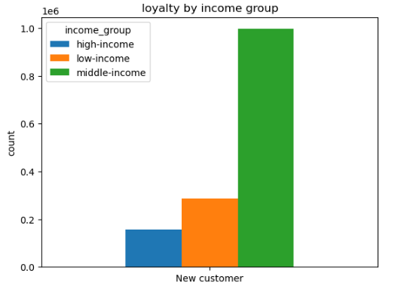
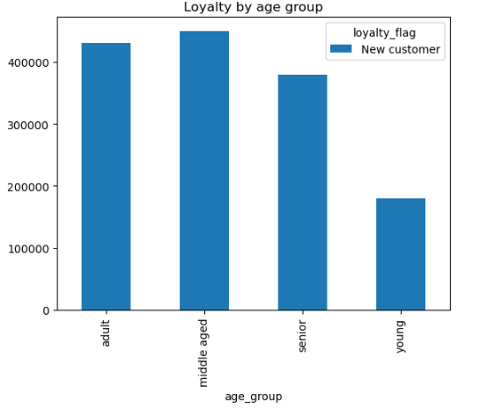

Question
Marketing and Sales Team: Are there differences in ordering habits based on loyalty status?

Commentary
Most customers are considered to be low spenders

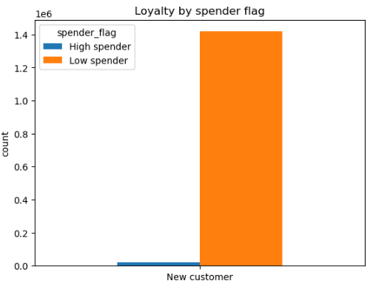

Question
Marketing and Sales Team: Are there differences in ordering habits based on region?

Commentary
Customers in the South and the West have the largest sales of produce, snacks and dariy/eggs

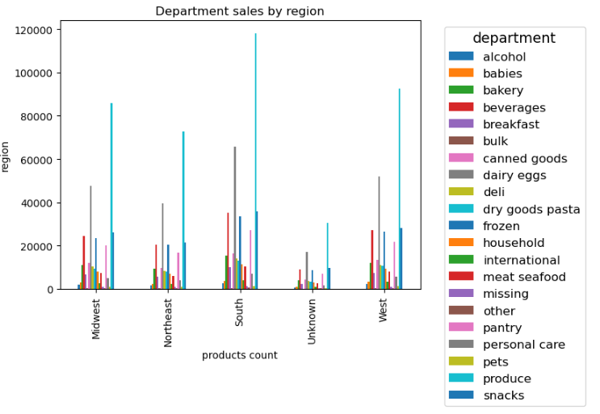

Question
Marketing and Sales Team: Is there a connection between age and family status and ordering habits?

Commentary
Most customers are adult or middle-aged, married, and have dependants

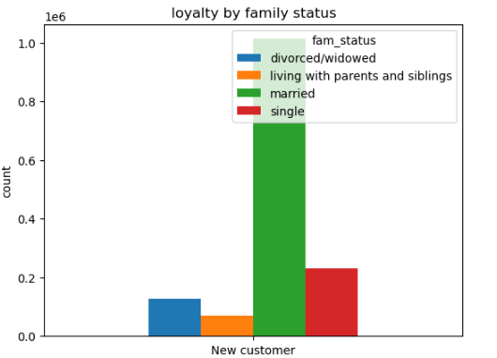

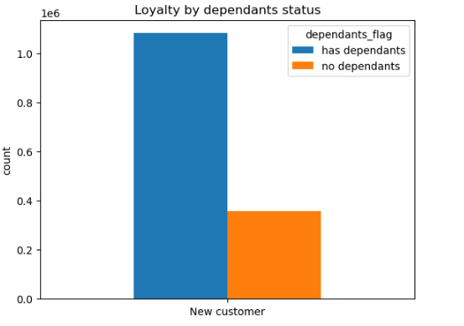

Question
Marketing and Sales Team: What different classifications does the demographic information suggest? Age? Income? Certain types of goods? Family status??

Commentary
Most customers are adult or middle-aged, married, and have dependants. Also those in the upper income bracket tend to be over 40.

7. Recommendations
 |  |  | Title page

Recommendations

Question | Answer | Recomendations
Key Question 1 . What are the busiest days of the week and hours of the day? | Saturday and Sunday are the busiest day of the week.Tuesday and Wednesday are the least busiest day of the week.Most orders are between 9 am and 4 am with a pick at 10 am to 11 am. | As the middle of the week are the least busy days, have offers and coupons targeting those days to drive higher sales during those times.
Key Question 2 . Are there perticular times of day when people spend the most money? | Sales are higher in the morning, and sales are higher in the weekends . | Although sales are higher in the morning and on the weekends, these variations are very slight , on the order of magnitude of 10-20 cents.This small varience seems to be almost statistical in nature, there are no recomendations from this observation.
Key Question 3. are there certain products that are more popular than others? | Produce, Dairy/egg, snacks, and beverages are the bigest seller by department. | Coupons and specials for popular items such as Produse and Dairy are recommended to get people to place orders. Coupons and special for the least popular items such as international, alcohol, and bulk are recommended to boost sales in those departments.
Key Question 4. Are there differencesin ordering habitsbased on loyalty status? | Most customers are considered to be low spenders. | Would instant cart rather have high spenders of frequent shoppers? Discounts on the entire grocery purchase would drive up spending per order, but probably reduce frequency.
Key Question 5. Are there differences in ordering habits based on region? | Customers in the south and west have the largest sales of produce, snacks,dairy/egg. | Increase advertising and promotions in regions when there are fewer customers
Key Question 6. What is the distribution among users ,how often they return to instacart? Is there any connection between age and family status and ordering habits? What different clasification does the demographic information suggest? | Most customers are middle aged , married and have dependants. The higher income group is also over 40 years old people. | Have a bulk of coupons and discounts target typical family "whats for dinner" products, breakfast cereals, packable lunches, etc. Target luxury products to those in the high-income group over 40.
Key Question 7. What differences can you find in ordering habits of different customer profiles? Consider the price of orders , the frequency of orders, the products customer are ordering? | The key demographic for those using instacart are adult to middle age ,middle income parents. This make sense as they are the larger housholds are they consume more products. | Does Instacart want to reach out to more demographics? Are there obstacles, such as familiarity with technology that is limiting customer growth among seniors? A focus on products favored by families may drive people to place an order rather than waiting. What is the competitor for Instacart? Other delivery agencies? Preferring to shop at a certain store? Customers shopping in the store instead of ordering? Perhaps partnering with stores that the customers get a discount of a free item for using Instacart instead of shopping at the store.

